Two way slab
SLAB DESIGN

Claculation of effective depth

Slab ID: A1:A2:B2:B1 |  |  |  |  |  |  |  | ft. | in.
c/c distance of shorter length (lx)= | 3.124 m |  |  |  | clear span along shorter length= | 2.896 m |  | 10 | 3
c/c distance of longer length (ly)= | 3.581 m |  |  |  | clear span along longer length= | 3.353 m |  | 11 | 9
Width of Support= | 0.23 m |  |  |  |  |  |  | 0 | 9
 | 32 | IS 456:2000 Clause 24.1 |  |  |  |  |  | NOTE: |  |  | lx/d | for one way slab
d= | lx/32 |  |  |  |  |  |  | Simply Supported beam |  |  | 28 | 25
= | 3.124/32 |  |  |  |  |  |  | Continuous Beam |  |  | 32 | 30
= | 97.631 | ≈ 100mm |  |  |  |  | 100 | Two adjacent edge discontinuous |  |  | =(28+32)/2
Adopt diameter of main bar(Φ)= | 8mm |  | Clear cover= | 15mm |  |  |  |  |  |  | 30
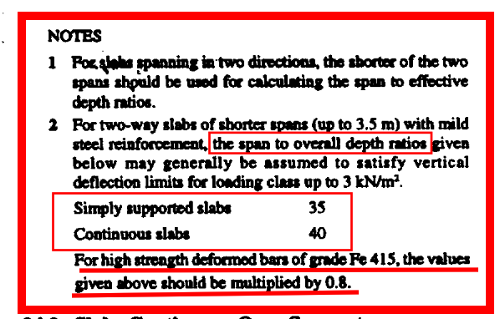
Adopt diameter of distribution bar(Φ)= | 8mm
 |  |  |  |  |  | Dia. of reinforcing bars is choosen in such a way that it shall not exceed 1/8th of the total thickness of slab
1/8th of total thickness of slab= | 16mm | IS 456:2000 Clause 26.5.2.2
Overall depth (D)= | 97.631+(8/2) +15
= | 116.631 | ≈ 125mm |  |  |  |  | 125
Provide Slab thickness of 125mm.

Calculation of effective length

Along shorter length
c/c distace= | 3.124 m
clear span+eff. Depth(dx)= | 2.896+(100/1000)
= | 2.996 m
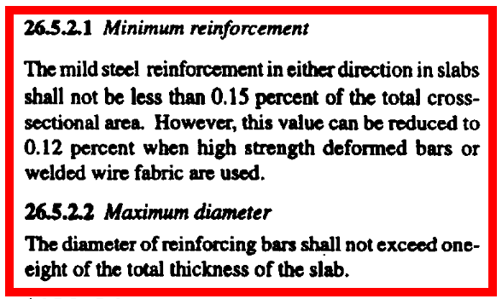
lex= | minimum of 3.124 and 2.996
= | 2.996 m

Along longer length
c/c distace= | 3.581 m
clear span+eff. Depth(dy)= | 3.353+[(100/1000)-8]
= | 3.453 m
ley= | minimum of 3.581 and 3.453
= | 3.453 m

ley/lex= | 3.453/2.996
= | 1.153 | if ley/lex < 2, then it is two way slab otherwise one way slab
Slab Type= | Two Way Slab
Load Claculation

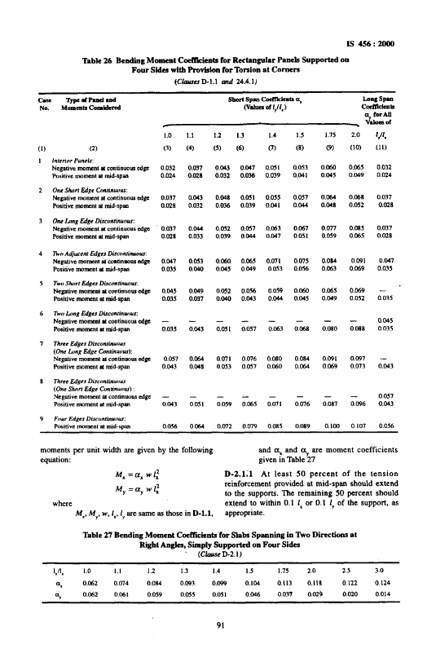
Compressive Strength of Concrete (fck)= | 20 N/mm²
Minimum Yield Strength of Steel (fy)= | 500 N/mm²
Unit weight of concrete (γ)= | 25 KN/m³ | IS: 875 (Part 1)-1987,Table-1 Item no. 22
(For 1m width of slab)
Live Load (LL)= | 3 KN/m²
= | [3KN/m2*(1m*length)]/length
= | 3 KN/m
Floor Finish (FF)= | 1.5 KN/m
Partition wall= | 2 KN/m
Self weight= | γ*D
= | 25*125
= | 3.125 KN/m
Total Load= | 9.625 KN/m
Factored Load= | 1.5*9.625
= | 14.4375 KN/m
Maximum bending moment calculation

Type of Panel= | Four Edges Discontinuous

 | ley/lex | αx-ve |  | ley/lex | αx+ve
The value of ley/lex and α | 1.1 | 0 |  | 1.1 | 0.064
is taken from IS 456:2000 Table-26 | 1.153 | αx-ve |  | 1.153 | αx+ve
 | 1.2 | 0 |  | 1.2 | 0.072

αx-ve =y1 + [{(y2-y1)/(x2-x1)}*(x-x1)] = | 0+[{(0-0)/(1.2-1.1)}*(1.153-1.1)]
αx-ve = | 0.0000

αx+ve = | 0.064+[{(0.072-0.064)/(1.2-1.1)}*(1.153-1.1)]
= | 0.0682

For Four Edges Discontinuous the value of αy-ve and αy+ve
is taken from IS 456:2000 Table-26
αy-ve= | 0
αy+ve= | 0.056

Mx-ve = αx-ve * W * lx2 = | 0*14.438*2.996^2 |  | = | 0.000 KN-m
Mx+ve = αx+ve * W * lx2 = | 0.0682*14.438*2.996^2 |  | = | 8.837 KN-m
My-ve = αy-ve * W * lx2 = | 0*14.438*2.996^2 |  | = | 0.000 KN-m
My+ve = αy+ve * W * lx2 = | 0.056*14.438*2.996^2 |  | = | 7.255 KN-m

Check for depth against bending

Mmax= | 0.133*fck*b*dreq^2
8.837 *10^6= | 0.133*20*1000*dreq^2
dreq= | 57.639 mm | < effective depth provided ( 100mm.) OK

Area of Steel Calculation

)
Mx-ve = | 0.87*fy*Astx-ve*dx*[1-{(Astx-ve*fy)/(b*dx*fck)}] |  |  |  |  |  | 500 | 415
0*10^6= | 0.87*500*(Ast)x+ve*100*[1-{(Astx+ve*500)/(1000*100*20)}] |  |  |  |  |  | 0.133 | 0.138
Astx-ve = | 0 mm² |  |  |  |  |  | 0.46 | 0.48
Similarly,
Astx+ve = | 214.6714334 mm² |  |  |  |  |  | ax2+bx+c
Asty-ve = | 0 mm²
Asty+ve = | 174.3883721 mm²
(Ast)min= | 0.12% of bD
= | 150 mm² |  |  | 335.1032164 mm²
Taking maximum area between Ast and (Ast)min for spacing calculation

(Spacing)x-ve= | no need to calculate |  |  | N/A | N/A
(Spacing)x+ve= | 1000/[214.671/{(3.1415*8^2)/4}] |  |  | = 234.151 mm | ≈ 230mm
(Spacing)y-ve= | no need to calculate |  |  | N/A | N/A
(Spacing)y+ve= | 1000/[174.388/{(3.1415*8^2)/4}] |  |  | = 288.239 mm | ≈ 285mm

Maximum Spacing of main bar |  |  |  |  | Maximum Spacing of distribution bar
(i) | 3d |  |  | (i) | 5d
= | 3*100 |  |  | = | 5*100
= | 300 mm |  |  | = | 500 mm
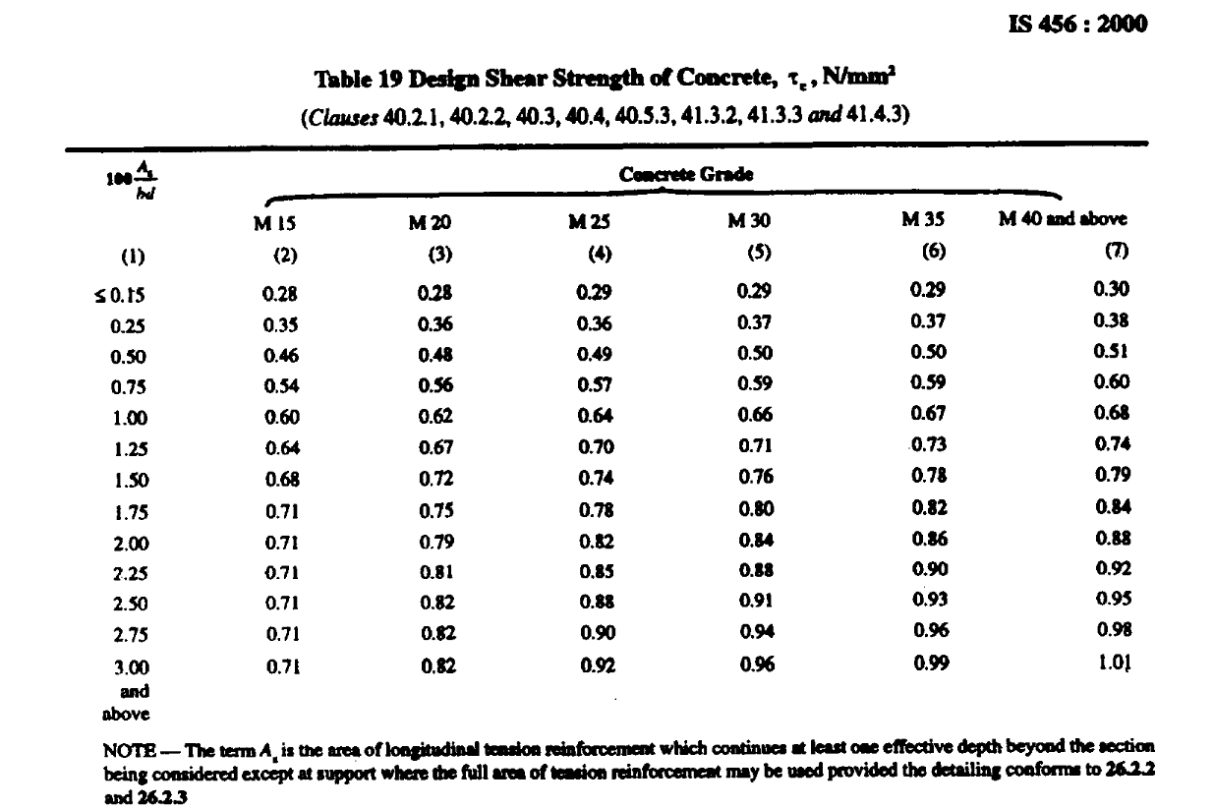
(ii) | 300mm |  |  | (ii) | 450 mm
minimum of (i) & (ii) = | 300 mm |  |  | minimum of (i) & (ii) = | 450 mm

 | Maximum allowable spacing for main bar= | 230 mm
 | Maximum allowable spacing for distribution bar= | 285 mm

Provide 8mm dia. bar @ | dia. bar @150mm c/c at support of X-axis
Provide 8mm dia. bar @ | dia. bar @150mm c/c at mid-span of X-axis
Provide 8mm dia. bar @ | dia. bar @150mm c/c at mid-span of Y-axis
Provide 8mm dia. bar @ | dia. bar @150mm c/c at mid-span of Y-axis

(Ast)x+ provided = | {1000*(3.1415*64)/4}/150 |  |  | =335.103 mm²
% steel provided= | Area provided/(b*D)
= | (335.103*100)/(1000*125) |  |  | =0.268%

Check for shear force

Vmax= |  |  | τ=
= | (14.438*2.996)/2 |  | = | (21.628*10^3)/(1000*100)
= | 21.628 KN |  | = | 0.216 N/mm²

 | 0.335 |  |  |  |  |  |  | M20 |  | 300 or more | 275 | 250 | 225 | 200 | 175 | 150 or less
For M20 concrete and (As*100)/bd) value |  |  |  |  |  |  | 0.25 | 0.36 |  | 1 | 1.05 | 1.1 | 1.15 | 1.2 | 1.25 | 1.3
(τc)= | 0.401 | value calculated from IS456:200 Table-19 |  |  |  |  | 0.335 | 0.40
k= | 1.30 |  |  |  |  |  | 0.5 | 0.48
K*τc= | 1.3*0.401 | for solid slab (IS 456:2000 Clause 40.2.1) |  |  |  |  | 15 | 20 | 25 | 20 | 35 | 40 | 30
Design Shear strength= | 0.52 N/mm² |  |  |  |  |  | 2.5 | 2.8 | 3.1 | 3.5 | 3.7 | 4 | 3.5
Design shear strength of concrete (τc)min= | 0.28 N/mm² | IS456:200 Table-19
Maximum shear stress (τc)max= | 2.80 N/mm² | IS456:200 Table-20

τ<(τc)min | OK
τ < kτc < (τc)max | OK
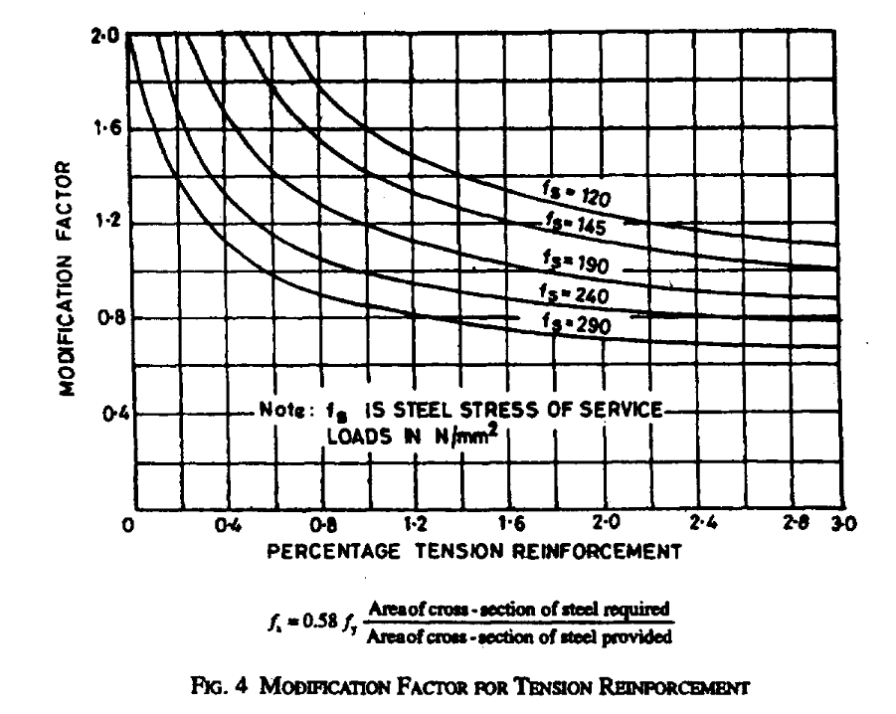
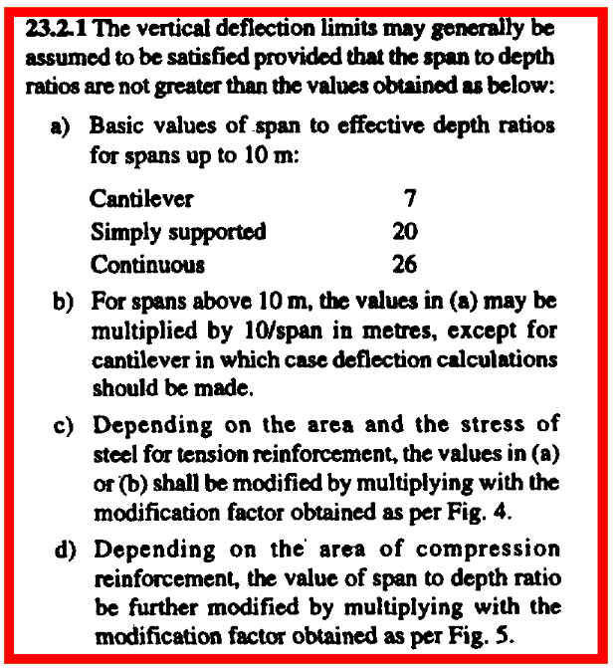
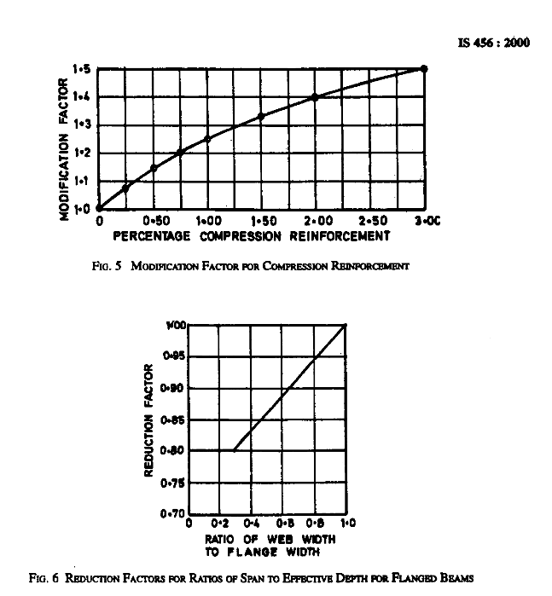
Check for deflection
Basic values
Basic value: α= | 20 | IS 456:2000 Clause 23.2.1 (a)
Modification factor
(β) = | 1 | IS 456:2000 Clause 23.2.1 (b)
For Tension Reinforcement (γ) = | 2 | IS 456:2000 Clause 23.2.1 ( c) fig 4
For Compression Reinforcement (δ) = | 1 | IS 456:2000 Clause 23.2.1 (d) fig 5
Reduction factor for flanged beam (λ) = | 1 | IS 456:2000 Clause 23.2.1 (e) fig 6
For Calculating the the factor γ
0.58fy
Steel Stress of service load (fs)=
= | 0.58*500*[(Ast.req.)/(Ast.provided)]
= | 185.778
Now,
αβγδλ= | 20*1*2*1*1
= | 40
l/d= | 3.124/(100/1000)
= | 31.24
 | (l/d)<αβγδλ OK

Check for development length |  | IS 456:2000 Clause 26.2.1
 |  |  |  |  |  |  | Type of Panel |  |  |  |  |  | Modification factor
Ld= |  |  |  |  |  |  | Interior Panels |  |  |  |  |  | 26 | (Continuous)
= | (8*435)/(4*1.2*1.6))
= | 453.125 mm
Φ= | Provide 8mm dia. bar @ | (nominal dia. of bar) |  |  |  |  | One Short Edge Discontinuous |  |  |  |  |  | 23 | (Average)
σs= 0.87*fy = | 0.87*500 | (stress in bar) |  |  |  |  | One Long Edge Discontinuous |  |  |  |  |  | 20 | (Simply Supported)
= | 435
τ𝑏𝑑= | 1.2 | (design bond stress) |  |  |  |  | Two Adjacent Edges Discontinuous |  |  |  |  |  | 23 | (Average)
 |  |  |  |  |  |  | Two Short Edges Discontinuous |  |  |  |  |  | 20 | (Simply Supported)
)
Ml= |  |  |  |  |  |  | Two Long Edges Discontinuous |  |  |  |  |  | 26 | (Continuous)
= | 0.87*500*335.103*100*[1-{335.103*500)/(1000*100*20)}] |  |  |  |  |  | Three Edges Discontinuous (One Long Edges Discontinuous) |  |  |  |  |  | 26 | (Continuous)
= | 13.356 KN-m |  |  |  |  |  | Three Edges Discontinuous (One Short Edges Discontinuous) |  |  |  |  |  | 23 | (Average)
 |  |  |  |  |  |  | Four Edges Discontinuous |  |  |  |  |  | 20 | (Simply Supported)
let lo= | 0 mm
[(1.3Ml)/V +l0]= | [(1.3*13.356*10^6)/(21.628*10^3)]+0 |  |  |  |  |  | Top Rebar for Negative Moment
= | 802.793 mm |  |  |  |  |  | Bottom Rebar for Positive Moment
 | Ld<[(1.3Ml)/V +l0] OK
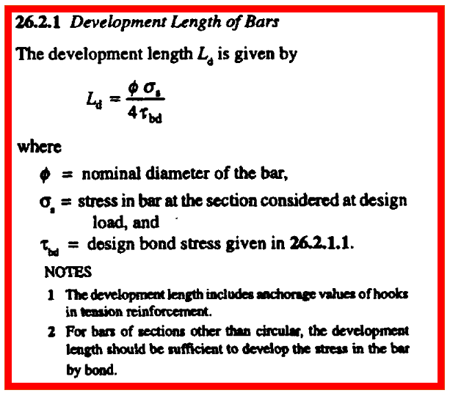

 |  |  |  |  |  |  | if there is no discontinuous edges then torsional bar calculation is not required
 |  |  |  |  |  |  | Torsion Reinforcement
 |  |  |  |  |  |  | Mesh Size= | lx/5
 |  |  |  |  |  |  | Area= | (3/4) of Ast.provoded |  |  | IS 456:2000 (Table-26)
 |  |  |  |  |  |  | Rebar dia.= | 8mm |  |  |  | Types of Panel and Moment Considered |  |  |  |  |  | Short Span Coeficients αx (Values of ly/lx) |  |  |  |  |  |  |  | αy
 |  |  |  |  |  |  | Spacing= | (1000*rebar area)/Area |  |  |  |  |  |  |  |  |  | 1 | 1.1 | 1.2 | 1.3 | 1.4 | 1.5 | 1.75 | 2 |  | αy-ve= | αy+ve=
 |  |  |  |  |  |  | No. of bar= | Mesh Size length/Spacing |  |  | 1 | Interior Panels |  |  |  |  |  |  |  |  |  |  |  |  |  |  | 0.032 | 0.024
 |  |  |  |  |  |  | Provide 8mm dia bar @ 150mm c/c in slab |  |  |  |  | Negative moment at continuous edges (αx-ve) |  |  |  |  | αx-ve | 0.032 | 0.037 | 0.043 | 0.047 | 0.051 | 0.053 | 0.06 | 0.065
 |  |  |  |  |  |  | Provide 8mm dia bar @ 150mm c/c at edge |  |  |  |  | Positive moment at mid-span (αx+ve) |  |  |  |  | αx+ve | 0.024 | 0.028 | 0.032 | 0.036 | 0.039 | 0.041 | 0.045 | 0.049
 |  |  |  |  |  |  |  |  |  |  | 2 | One Short Edge Discontinuous |  |  |  |  |  |  |  |  |  |  |  |  |  |  | 0.037 | 0.028
 |  |  |  |  |  |  |  |  |  |  |  | Negative moment at continuous edges (αx-ve) |  |  |  |  | αx-ve | 0.037 | 0.043 | 0.048 | 0.051 | 0.055 | 0.057 | 0.064 | 0.068
 |  |  |  |  |  |  |  |  |  |  |  | Positive moment at mid-span (αx+ve) |  |  |  |  | αx+ve | 0.028 | 0.032 | 0.036 | 0.039 | 0.041 | 0.044 | 0.048 | 0.052
 |  |  |  |  |  |  |  |  |  |  | 3 | One Long Edge Discontinuous |  |  |  |  |  |  |  |  |  |  |  |  |  |  | 0.037 | 0.028
 |  |  |  |  |  |  |  |  |  |  |  | Negative moment at continuous edges (αx-ve) |  |  |  |  | αx-ve | 0.037 | 0.044 | 0.052 | 0.057 | 0.063 | 0.067 | 0.077 | 0.085
 |  |  |  |  |  |  |  |  |  |  |  | Positive moment at mid-span (αx+ve) |  |  |  |  | αx+ve | 0.028 | 0.033 | 0.039 | 0.044 | 0.047 | 0.051 | 0.059 | 0.065
 |  |  |  |  |  |  |  |  |  |  | 4 | Two Adjacent Edges Discontinuous |  |  |  |  |  |  |  |  |  |  |  |  |  |  | 0.047 | 0.035
 |  |  |  |  |  |  |  |  |  |  |  | Negative moment at continuous edges (αx-ve) |  |  |  |  | αx-ve | 0.047 | 0.053 | 0.06 | 0.065 | 0.071 | 0.075 | 0.084 | 0.091
 |  |  |  |  |  |  |  |  |  |  |  | Positive moment at mid-span (αx+ve) |  |  |  |  | αx+ve | 0.035 | 0.04 | 0.045 | 0.049 | 0.053 | 0.056 | 0.063 | 0.069
 |  |  |  |  |  |  |  |  |  |  | 5 | Two Short Edges Discontinuous |  |  |  |  |  |  |  |  |  |  |  |  |  |  | 0 | 0.035
 |  |  |  |  |  |  |  |  |  |  |  | Negative moment at continuous edges (αx-ve) |  |  |  |  | αx-ve | 0.045 | 0.049 | 0.052 | 0.056 | 0.059 | 0.06 | 0.065 | 0.069
 |  |  |  |  |  |  |  |  |  |  |  | Positive moment at mid-span (αx+ve) |  |  |  |  | αx+ve | 0.035 | 0.037 | 0.04 | 0.043 | 0.044 | 0.045 | 0.049 | 0.052
 |  |  |  |  |  |  |  |  |  |  | 6 | Two Long Edges Discontinuous |  |  |  |  |  |  |  |  |  |  |  |  |  |  | 0.045 | 0.035
 |  |  |  |  |  |  |  |  |  |  |  | Negative moment at continuous edges (αx-ve) |  |  |  |  | αx-ve | 0 | 0 | 0 | 0 | 0 | 0 | 0 | 0
 |  |  |  |  |  |  |  |  |  |  |  | Positive moment at mid-span (αx+ve) |  |  |  |  | αx+ve | 0.035 | 0.043 | 0.051 | 0.057 | 0.063 | 0.068 | 0.08 | 0.088
 |  |  |  |  |  |  |  |  |  |  | 7 | Three Edges Discontinuous (One Long Edges Discontinuous) |  |  |  |  |  |  |  |  |  |  |  |  |  |  | 0 | 0.043
 |  |  |  |  |  |  |  |  |  |  |  | (One Long Edges Discontinuous)
 |  |  |  |  |  |  |  |  |  |  |  | Negative moment at continuous edges (αx-ve) |  |  |  |  | αx-ve | 0.057 | 0.064 | 0.071 | 0.076 | 0.08 | 0.084 | 0.091 | 0.097
 |  |  |  |  |  |  |  |  |  |  |  | Positive moment at mid-span (αx+ve) |  |  |  |  | αx+ve | 0.043 | 0.048 | 0.053 | 0.057 | 0.06 | 0.064 | 0.069 | 0.073
 |  |  |  |  |  |  |  |  |  |  | 8 | Three Edges Discontinuous (One Short Edges Discontinuous) |  |  |  |  |  |  |  |  |  |  |  |  |  |  | 0.057 | 0.043
 |  |  |  |  |  |  |  |  |  |  |  | (One Short Edges Discontinuous)
 |  |  |  |  |  |  |  |  |  |  |  | Negative moment at continuous edges (αx-ve) |  |  |  |  | αx-ve | 0 | 0 | 0 | 0 | 0 | 0 | 0 | 0
 |  |  |  |  |  |  |  |  |  |  |  | Positive moment at mid-span (αx+ve) |  |  |  |  | αx+ve | 0.043 | 0.051 | 0.059 | 0.065 | 0.071 | 0.076 | 0.087 | 0.096
 |  |  |  |  |  |  |  |  |  |  | 9 | Four Edges Discontinuous |  |  |  |  |  |  |  |  |  |  |  |  |  |  | 0 | 0.056
 |  |  |  |  |  |  |  |  |  |  |  |  |  |  |  |  | αx-ve | 0 | 0 | 0 | 0 | 0 | 0 | 0 | 0
 |  |  |  |  |  |  |  |  |  |  |  | Positive moment at mid-span (αx+ve) |  |  |  |  | αx+ve | 0.056 | 0.064 | 0.072 | 0.079 | 0.085 | 0.089 | 0.1 | 0.107

 |  |  |  |  |  |  |  |  |  |  |  | Interior Panels
 |  |  |  |  |  |  |  |  |  |  |  | One Short Edge Discontinuous
 |  |  |  |  |  |  |  |  |  |  |  | One Long Edge Discontinuous
 |  |  |  |  |  |  |  |  |  |  |  | Two Adjacent Edges Discontinuous
 |  |  |  |  |  |  |  |  |  |  |  | Two Short Edges Discontinuous
 |  |  |  |  |  |  |  |  |  |  |  | Two Long Edges Discontinuous
 |  |  |  |  |  |  |  |  |  |  |  | Three Edges Discontinuous (One Long Edges Discontinuous)
 |  |  |  |  |  |  |  |  |  |  |  | Three Edges Discontinuous (One Short Edges Discontinuous)
 |  |  |  |  |  |  |  |  |  |  |  | Four Edges Discontinuous

